Application Screen
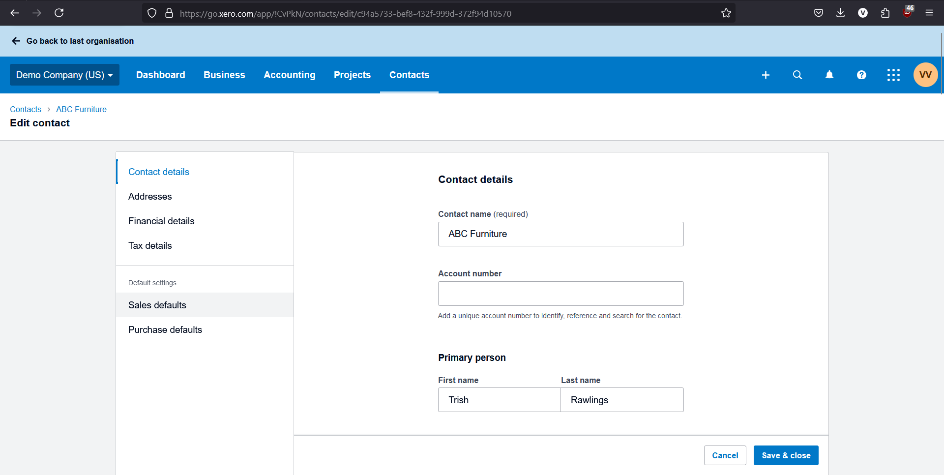

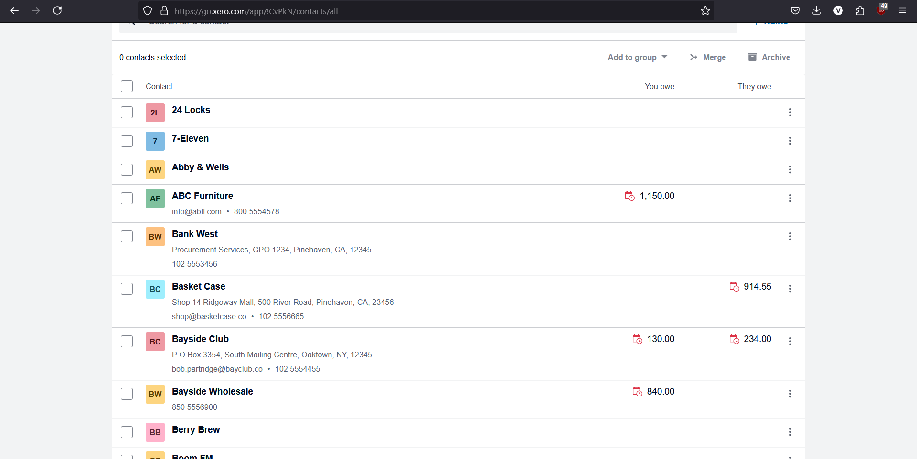

Test Case 13
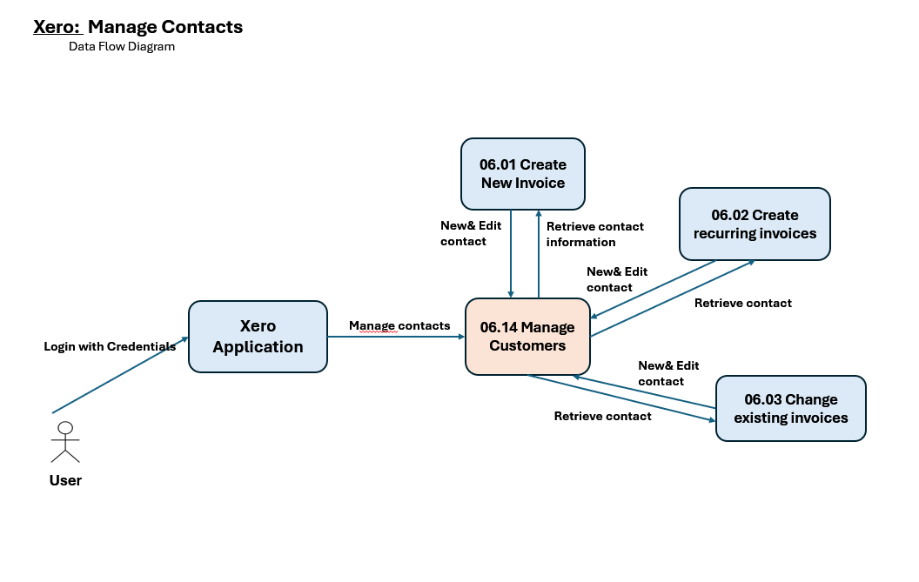
TC Title: | TC13: Manage customers - DF-In

TC Objective: | Verify that the customer management system correctly receives and incorporates contacts' data (Contact name, Account number, Address, etc.) from other features (Create new invoice, Create recurring invoices, Change existing invoices).

Test Data (optional):

TC Description
 | Step | Step Description | Expected Results
 | 1 | Create a new invoice to an new customer. | The new customer should be automatically added in cutomer management system.
 | 2 | Create a new invoice to an exist customer and modify the address. | The customer's profile is automatically updated with the new address.
 | 3 | Create a recurring invoice to an new customer. | The new customer should be automatically added in cutomer management system.
 | 4 | Create a recurring invoice to an exist customer and modify the address. | The customer's profile is automatically updated with the new address.
 | 5 | Change a exsiting invoice to an new customer. | The new customer should be automatically added in cutomer management system.
 | 6 | Change a exsiting invoice to an exist customer and modify the address. | The customer's profile is automatically updated with the new address.
 | 7
 | 8
 | 9
 | 10

